Version Tracking
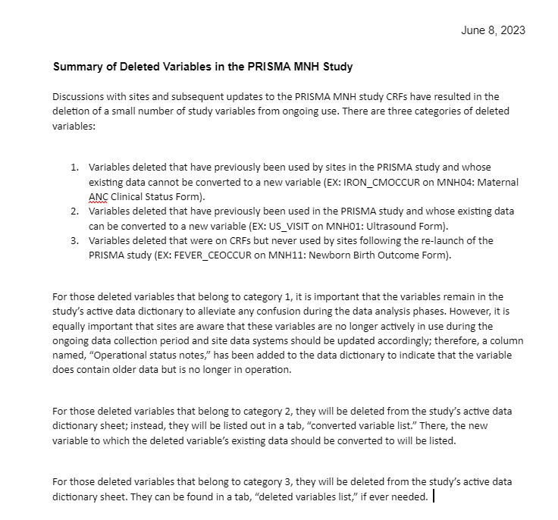
Version Number | Version Date | Comments
- | Jun-2022 | Original document
V.1.0 | Jul-2022 | 1. Left the main tab and deleted the rest. 2. Added "Field Type Format" for field type: Date and Time. 3. Deleted "INF_OHOLOC" in MNH11 section H, and replaced the original question number 2-6 with 1-5. 4. Added "Facility birth only" to field label for MNH11 section H question 1-3. 5. Replaced "FORMCOMLDAT_MNH14" with "FORMCOMPLDAT_MNH14" to be consistent with other form. 6. Replace "FORMCOMLTIM_MNH14" with "FORMCOMPLTIM_MNH14" to be consistent with other form.
V.2.0 | Sep-2023 | 1. Revised field types 2. Updated skip patterns 3. Updated variables according to changes in all CRFs 4. Revised headings accross forms to match formatting 5. Removed duplicate variable names within forms 6. Removed spaces from variable names 7. Removed option to report several measurements for a single variable 8. Added updates to reflect the changes made in MNH01 Ultrasound Form CRF 9. Added updates to reflect changes made in MNH07, MNH08 Lab CRF, MNH26 fatigue CRF
V.2.1 | Oct-2022 | 1. Updated to align with CRF updates 2. Visit/vital status standardization
V.2.2 | Feb-2023 | 1. Updated to include the drafted changes to infant CRFs 2. Correct the field types in MNH09
V.2.3 | Mar-2023 | 1. Updated to align with the March 27 CRF updates
V.2.4 | Nov-2023 | 1. Updated to align with the November 20 2023 CRF updates (including PRISMA expansion) 2. Updated to re-include deleted variables that were used in earlier in data collection stages (but we want to keep the previously collected data in the harmonized data) 3. Added tab for converted variable list and tab for deleted variable list to document any changes in variable names/formats or deletions 4. Format of Response Options column added (can be used to format data in analysis software) 5. Format Library tab added (can be used to format data in analysis software) 6. Mapping of Response Options column added to Data Dictionary 7. Updated ranges and query field types 8. Updated Table of Contents page
V.2.5 | 1-Apr-24 | 1. Updated minimum and maximum values as needed and ensured all are in the proper colum. 2. Updated values in value name, query category, and field type columns to address errors. 3. Corrected minor variable name spelling errors (RBC_SICKLE_LBTSTDAT, RBC_THALA_LBTSTDAT, ADMIT_ABX_SPFY_CMINDC) 4. Corrected error of having additional MNH12 variables that were never in operation and were never intended to be in operation (IRON_ORAL_CMOCCUR, IRON_ORAL_DOSAGE, IFA_DOSAGE, IRON_IV_CMOCCUR, IRON_IV_TYPE, IRON_IV_DOSAGE, and IRON_CMOCCUR) by deleting them. 5. Corrected error that had MNH10 variables (BP_SYS_VSORRES_1, BP_SYS_VSORRES_2, BP_SYS_VSORRES_3, BP_DIA_VSORRES_1, BP_DIA_VSORRES_2, BP_DIA_VSORRES_3) listed with Column A and B as MNH09. Updated to have Column A and B as MNH10 Post-Delivery Outcomes Form. 6. Addressed error and re-added FOLIC_CMOCCUR and IFA_CMOCCUR to MNH13 (have been in all former versions but were accidentally deleted in Nov 20 updates). 7. Updated T3 measurement (THYROID_LBPERF_3) to "pg/mL" on MNH08. 8. Updated MNH22 Section A Q.5 response options to reflect changes made to CRF. 9. Added MNH25 India SAS Maternal Depression Form and clarified that existing MNH25 India Form is for India CMC 10. Added MNH27 WHO VA Adult Instrument details (Section A CRF and tool components) 11. Added MNH28 WHO VA Neonate Instrument details (Section A CRF and tool components) 12. Added MNH29 WHO VA Child Instrument details (Section A CRF and tool components) 14. Removed "for chlamydia and ghonorrhea testing" from MNH07 Q.F1 to avoid any confusion and ensure that vaginal swabs collected for -omics are also documented. 15. To MNH08 Section J Question 2_2, added response option of "17 thalassemia minor/trait" "17 AC" and "19 other type of hemoglobinopathy or thalassemia present->specify" to CRFs and Data Dictionary. Added response option "16 SA" to data dictionary, as it had previously been on the CRF but was missing from DD. 16. Added response op
V.2.6 | 27-Aug-24 | 1. Updated to reflect updates made as part of PRISMA Protocol Version 1.9 and CRFs (includes preeclampsia biomarker testing substudy, G3 substudy, Bili-Ruler substudy, pain medications and birth position during labor and delivery, and Hepatitis B treatment). 2. Updated minimum and maximum values as needed and ensured all are in the proper column. 3. Corrected “RBC_G6PD_LBSTDAT” to “RBC_G6PD_LBTSTDAT” 4. Removed the accidental spaces in variable name “RBC_ SPFY _THALA” to be “RBC_SPFY_THALA” 5. Updated the variable “METHOD_FP_SPFY_FAORRES” to reflect the Nov 20 transition in question type from a one response option to a check all that apply. Columns H-L updated to reflect a check all that apply question type. 6. Cleared Columns R and AA for variable “COYN_MNH12" to better reflect the text response format. 7. Corrected Columns H and J-M for the variable “COYN_21” to reflect the response options of 0,1. 8. Corrected BP_DIA_VSORRES_1-3 to not have a space before 9. Removed duplicate FP_SPFY variable on MNH12. 10. Corrected “MN_LBPERF_2" variable units from pg/mL to fmol/mL. 11. Added MNH33-MNH35 form details for G3 substudy. 12. Added MNH36 Bili-ruler form details for Bili-ruler substudy. 13. Added MNH37 VA Cause of Death form details
V.2.6 | 9-Sep-24 | 1. Updated to inlcude site feedback to CRFs following 27-Aug-2024 sendout. 2. Corrected minor typos in variable names (HEPB_MHOCCUR, RBC_SPFY, ADMIT_MEDS_SPFY_CMTRT, BGLUC_MGDL_LBORRES, DAS_DAYS_REDUCE_ACT) and question numbers (MN_LBPERF_9, MN_LBPERF_10, MN_LBPERF_11, MN_LBPERF_13, RBP4_LBORRES). 3. Updated filters in Column N on MNH09 variables. 4. Removed duplicate variable, "METHOD_FP_SPFY_FAORRES"
V.2.7 | 25-Oct-24 | 1. Corrected SF-12 response options Q4-Q12 2. Updated SF-12 response numbering 3. Updated WHODAS variable name and question Q12 4. Corrected typos in variable names (PAIN_LD_PRTRT_1-12, 88, 77, 99; HEPB_1_DOC_CMSTDAT; HEPB_2_DOC_CMSTDAT; HEPB_3_DOC_CMSTDAT; HEPB_4_DOC_CMSTDAT; VISIT_OBSSTDAT; VISIT_FAC_SPFY_OBSLOC; VISIT_OTHR_SPFY_OBSLOC; and COYN_MNH37) 5. Updated Column I Default Values to address errors throughout. 6. Updated Column 0, P, and S for MNH 7. Added variable CESARIAN_ RPORRES to MNH04 ; BILI_1_INDIC / BILI_2_INDIC to MNH36 ; VA_TYPE to MNH37. 8. Updated unit for CBC_PDW_CT_LBORRES to fL on MNH08.

